Foglio1
DESCRIPTION: |  |  | CONTROL PANEL |  | SN from 03D449
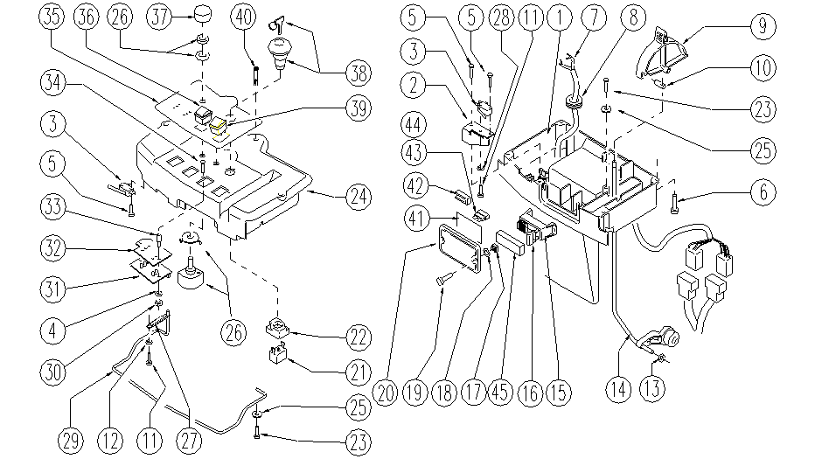

 | ITEM | SKU | DESCRIPTION | QTY
 |  | E86318 | control panel FS28/32
 | 1 | E87905 | Lower control panel | 1
 | 2 | E87904 | Spring | 1
 | 3 | E89087 | Microswitch | 3
 | 4 | E88220 | Washer | 2
 | 5 | E89154 | Screw | 6
 | 6 | SL04187 | SCREW | 4
 | 7 | SL23741 | WIRING | 1
 | 8 | SL23695 | FAIRLEAD | 1
 | 9 | E86519 | Lever | 1
 | 10 | E89474 | Solution Rod ADJ | 1
 | 11 | E88219 | Screw | 2
 | 12 | E88229 | Washer | 1
 | 13 | E87868 | Self Locking Nut WS20/24 FS28/32 | 1
 | 14 | E87867 | Upper Solution Control Rod FS28/32 | 1
 | 15 | E89468 | Fuse Carrier | 1
 | 16 | E86825 | Fuse 5 amp | 4
 | 17 | E87830 | Nut | 2
 | 18 | E87876 | Gasket WS20/24 FS28/32 | 4
 | 19 | E87877 | Screw WS20/24 FS28/32 | 2
 | 20 | E86543 | Fuse Cover for AS20 | 1
 | 21 | E86988 | Operator D22 Mushroom complete | 1
 | 22 | E86988 | Operator D22 Mushroom complete | 1
 | 23 | SL04240 | SCREW | 2
 | 24 | E86997 | Upper Control Panel WS20/24 | 1
 | 25 | E86448 | AS20 Washer | 2
 | 26 | E89153 | Potentiometer | 1
 | 27 | E86774 | Spring FS28/32 | 1
 | 28 | E86797 | Washer | 1
 | 29 | E89216 | Lever | 1
 | 30 | E88225 | Nut | 2
 | 31 | E89524 | Brush Delay/Traction Control Board | 1
 | 32 | E87927 | Plate | 1
 | 33 | SL07534 | SPACER | 2
 | 34 | SL04384 | SCREW | 2
 | 35 | E89110 | Control panel decal FS28 | 1
 | 36 | E87805 | Switch FS28 | 1
 | 37 | E86644 | Knob for Potentiometer | 1
 | 38 | E86988 | Operator D22 Mushroom complete | 1
 | 39 | E87681 | Push button switch FS28/32 | 1
 | 40 | E86367 | clip WS20 | 1
 | 41 | SL25994 | LABEL | 1
 | 42 | SL23209 | FUSE TWEEZERS | 1
 | 43 | E89086 | Fuse 10A | 1
 | 44 | E86647 | Fuse 40A | 1
 | 45 | SL23893-2 | COVER | 1

